Terminology
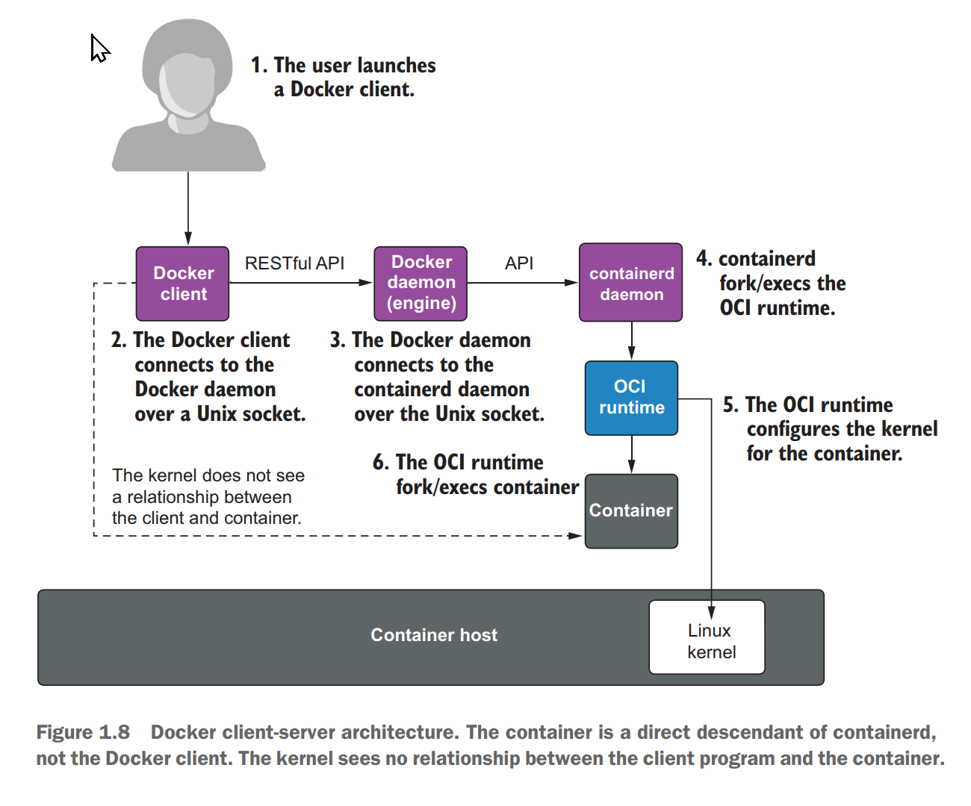
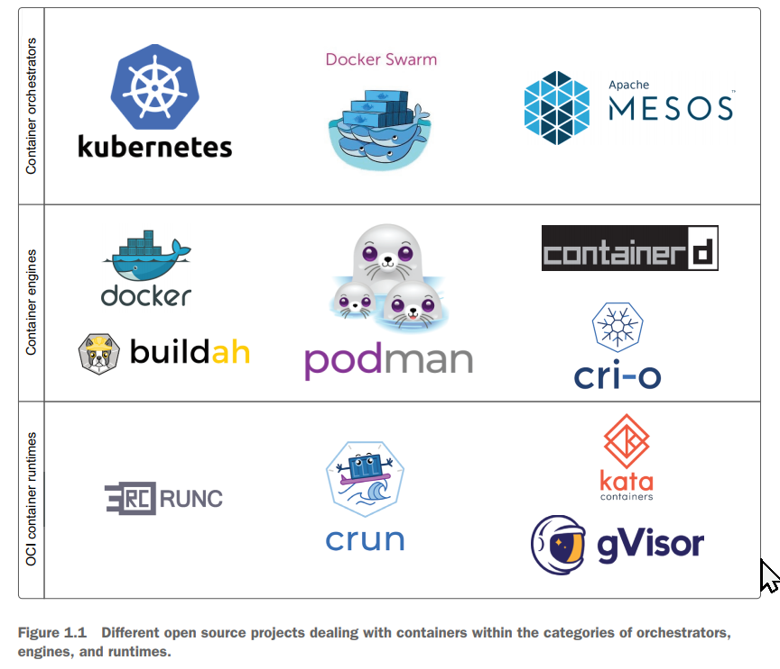
 | Docker is built as a REST API server. Fundamentally Docker is a client-server architecture including multiple daemons. When a user executes the Docker client,
 | they execute a command-line tool that connects to the Docker daemon. The Docker daemon then pulls images to its storage and then connects to the containerd daemon,
 | which finally executes an OCI runtime that creates the container.

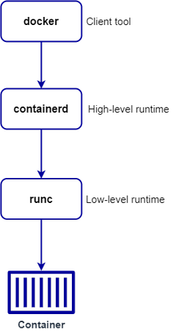
CNCF | Cloud Native Computing Foundation
 |  |  |  |  | Docker-CLI / GUI | Docker / Rancher
OCI | Open Container Initiative

dockerd | The Docker daemon. The docker client communicates with the docker server (dockerd) using REST API |  |  |  | Docker Server - Docker daemon (dockerd)

containerd | containerd is an example of a high level container runtime. |  |  |  | containerd
 | A container runtime is that process that does the actual work of creating, running, and destroying containers.
 | Containerd is the runtime Docker uses to pull images from image registries, create containers, manage storage
 | and networking, and interact with containers.

runc | runc is an example of a low level container runtime. It's a CLI tool for spawning and running containers |  |  |  | runC
 | according to the OCI specification.

Namespaces | Namespaces provide a layer of isolation. Docker uses namespaces of various kinds to provide the isolation that
 | containers need in order to remain portable and refrain from affecting the remainder of the host system.
 | Each aspect of a container runs in a separate namespace and its access is limited to that namespace.

cgroups | Control Groups or cgroups provide resource allocation and reporting capability within the container space.
 | They allow granular control over what host resources are allocated to the containers and when they are allocated.

 | Common control groups | CPU | Network Bandwidth | Priority
 |  | Memory | Disk

 | Namespace provides isolation for the container with the underlying host whereas cgroup gives the ability
 | to allocate resources to those containers

Egress | Egress refers to any traffic that exits an entity, or a network boundary. This may also be referred to as outbound traffic

Ingress | Ingress refers to traffic that enters the boundary of a network. This may also be referred to as inbound traffic

Canary | In software testing, a canary is a push of programming code changes to a small group of end users who are unaware
 | that they are receiving new code. Because the canary is only distributed to a small number of users, its impact is
 | relatively small and changes can be reversed quickly should the new code prove to be buggy

Dark Release | A dark launch or dark release refers to releasing new features to a subset of users to gather feedback.
 | Dark launching is like a soft launch and can be enabled by feature flags in order to get a low-risk deployment of code.
 | This technique allows developers to see how users respond to new features.

C:\Users\pikachu\AppData\Local\Programs\Rancher Desktop\resources\resources\win32\bin

Virtualization technologies (namespaces)

 | The Linux kernel employs a concept called namespaces, which creates virtualized environments, where one set of processes sees one set of resources,
 | while another set of processes sees a different set of resources. These virtualized environments eliminate processes’ views into the rest of the system,
 | giving them the feel of a virtual machine (VM) without the overhead.

 | Examples of namespaces include the following:

 | – Network namespace —Eliminates the access to the host network but gives access to virtual network devices
 | – Mount namespace —Eliminates the view of all the filesystem, except the containers filesystem
 | – PID namespace —Eliminates the view of other processes on the system; container processes only see the processes within the container

Podman
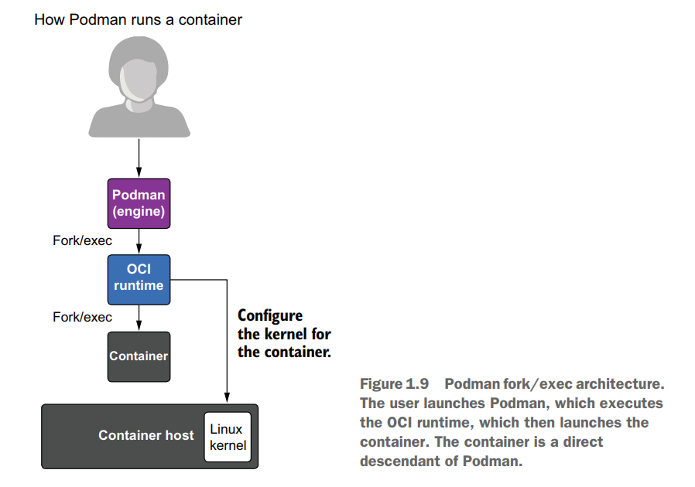

Podman is daemonless
Podman is fundamentally different from Docker because it is daemonless. Podman can run all of the same container images as Docker and launch containers with the same container runtimes.
However, Podman does this without having multiple continuously root-running daemons.

Imagine you have a web service that you want to run at boot time. The web service is packaged in a container, so you need a container engine. In the Docker case, you need to set it up to be
running on your machine with each of the daemons running and accepting connections. Next, launch the Docker client to start the web service.

Now you have your containerized application running as well as all of the Docker daemons. In the Podman case, use the Podman command to launch your container,
and Podman will go away. Your container will continue to run without the overhead of running the multiple daemons.
Less overhead is incredibly popular on low-end machines like IOT devices and edge servers.

Moby
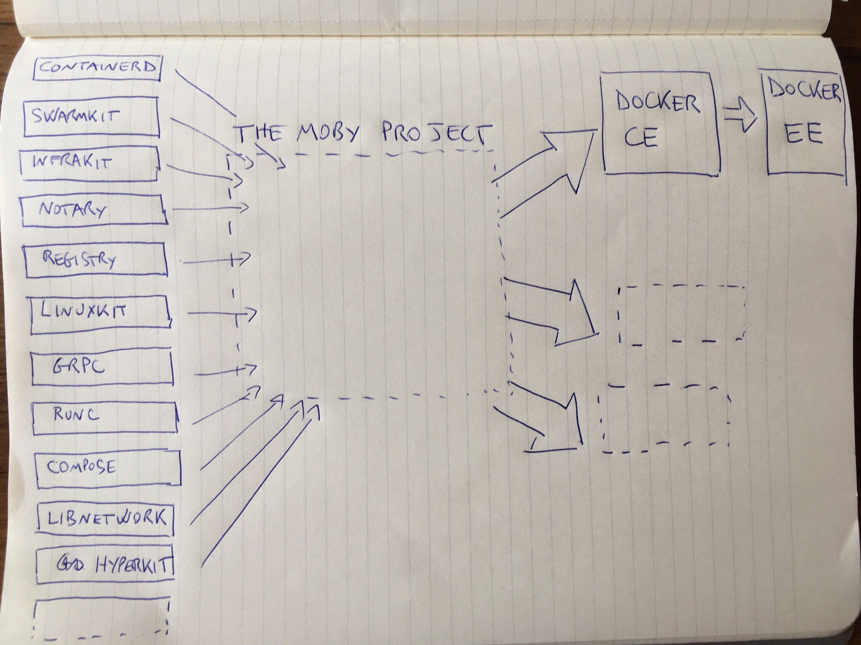
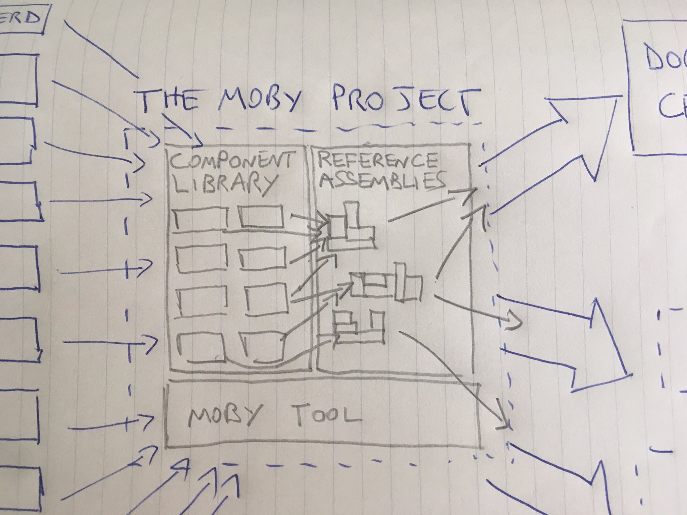
Moby Project

Moby will convert Docker from a monolithic engine into a toolkit of reusable components

Linuxkit
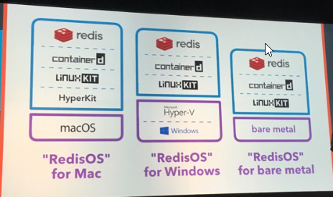
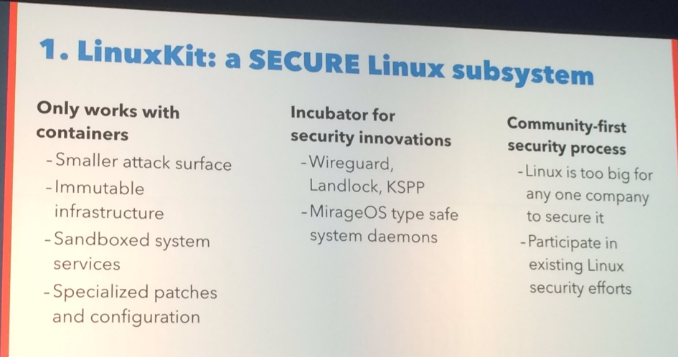
Linuxkit

While many think that Docker invented the container, in actuality linux containers had been around for some time, and Docker containers are based on them.
Which is really convenient -- if you're using Linux. If, on the other hand, you are using a system that doesn't include Linux, such as a Mac, a Windows PC,
or that Raspberry Pi you want to turn into an automatic goat feeder, you've got a problem. Docker requires linuxcontainers.
Which is a problem if you have no linux. Enter LinuxKit. The idea behind LinuxKit is that you start with a minimal Linux kernal -- the base distro is only 35MB --
and add literally only what you need. Once you have that, you can build your application on it, and run it wherever you need to.

Docker Architecture
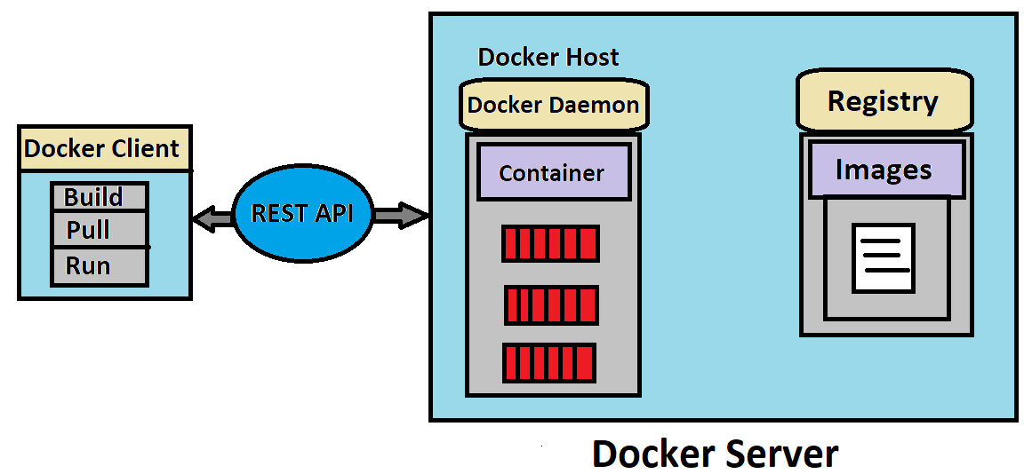
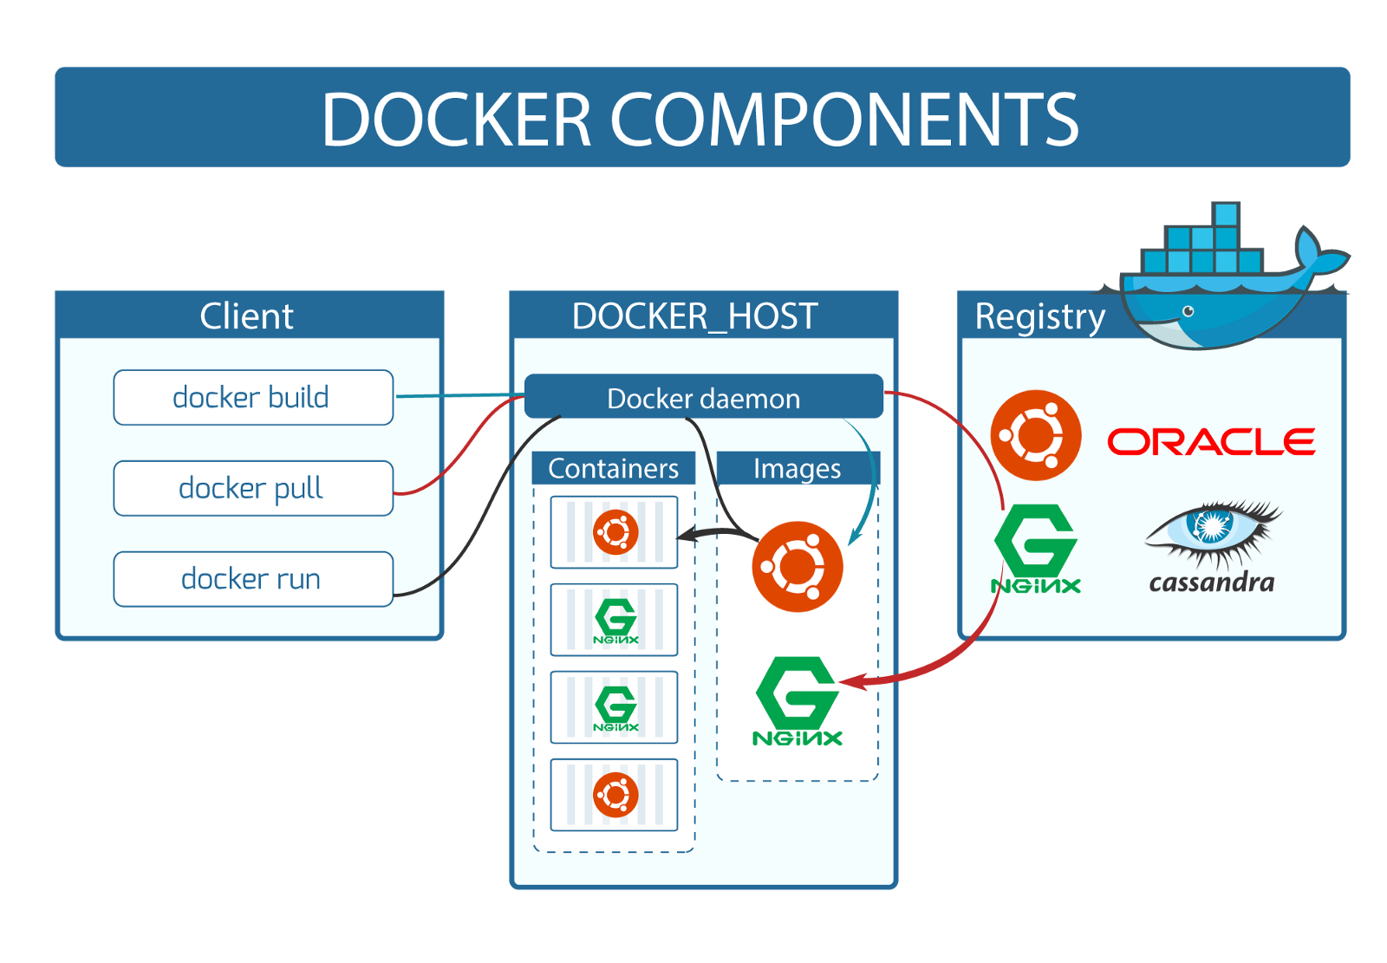

Image | Docker Image is a template with instructions, which is used to create Docker Containers

dockerfile | A Docker image is built using a file called a Docker File

Repository | Docker images are stored in Docker Hub or in a repository

Docker Concept | Ship the entire environment instead of just code

Basics 01
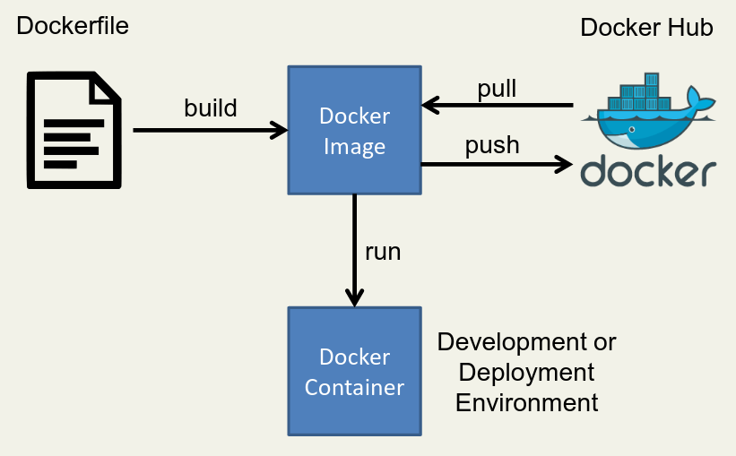
Commands

docker pull <image>:<tag>

docker push <image>:<tag>

k8s Architecture
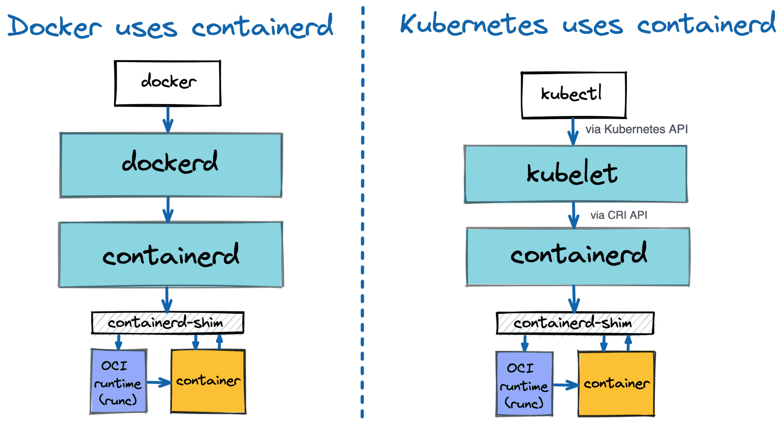

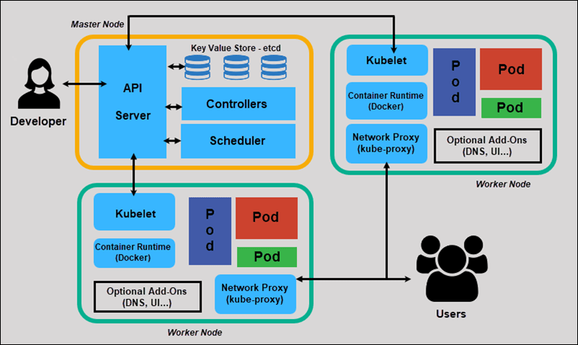

Init Container

 | Main Container |  | 1 GB RAM
 | Init Container |  | 1 vCPU

Sidecar

 |  |  | 4 GB RAM
 | Main Container |  | 4 vCPU
 | Sidecar Container

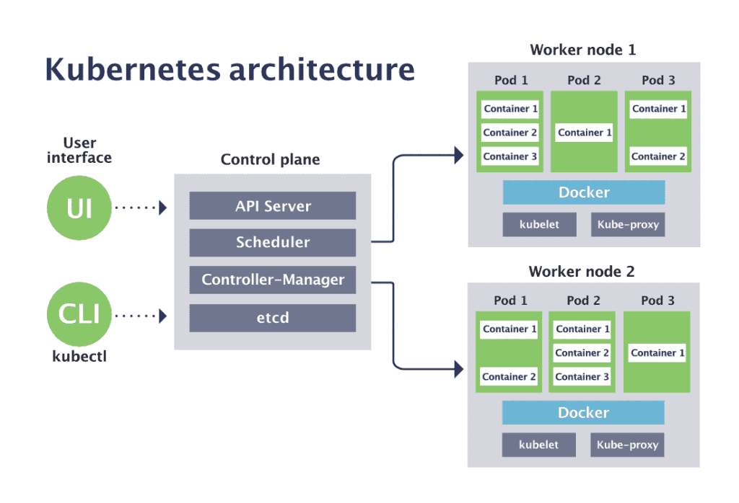

 |  | Pods

 |  | Services

